Parameters
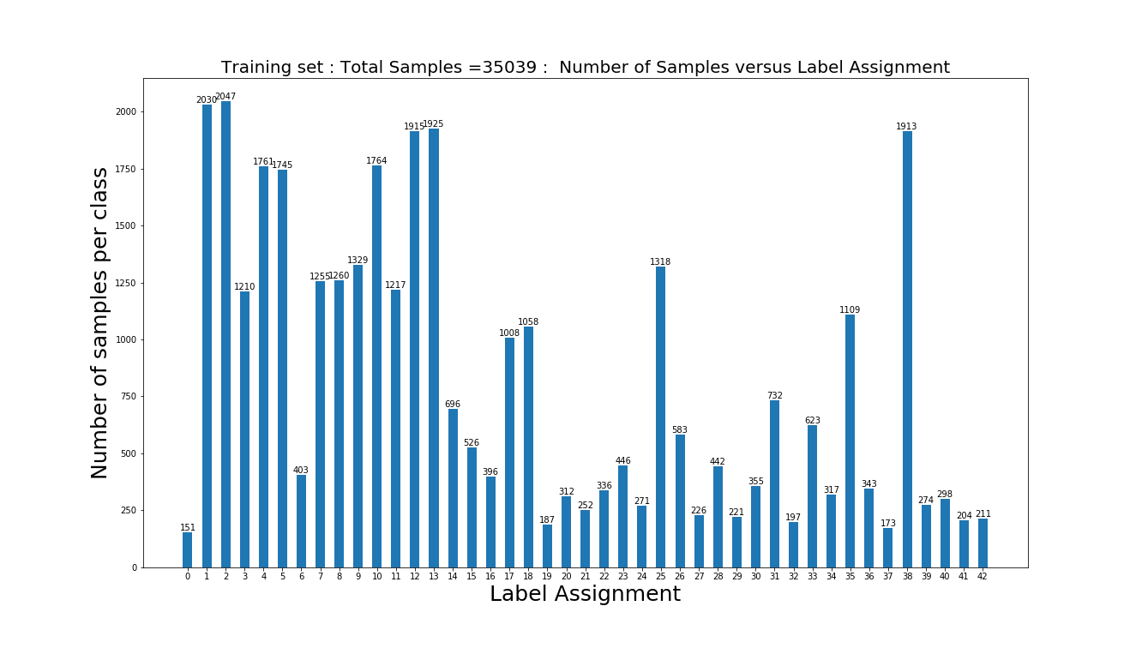

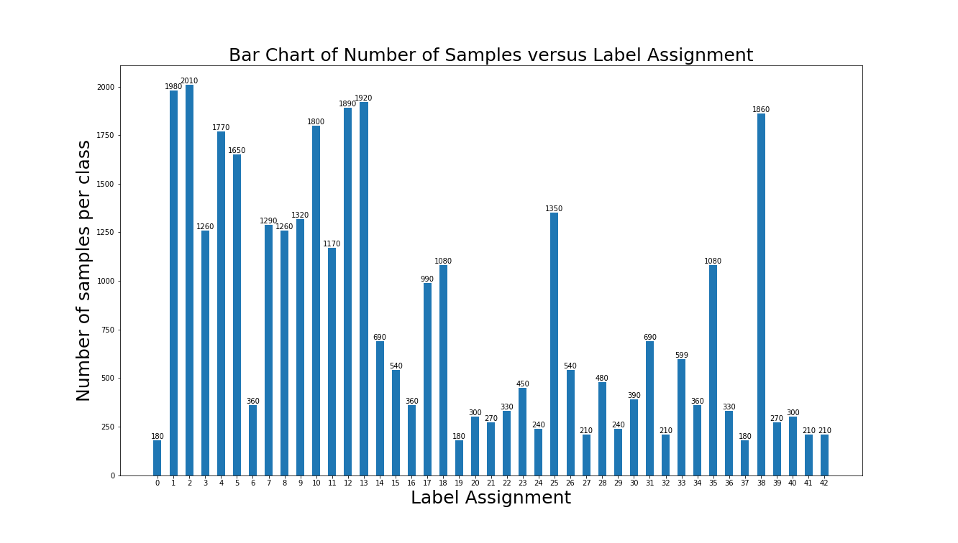
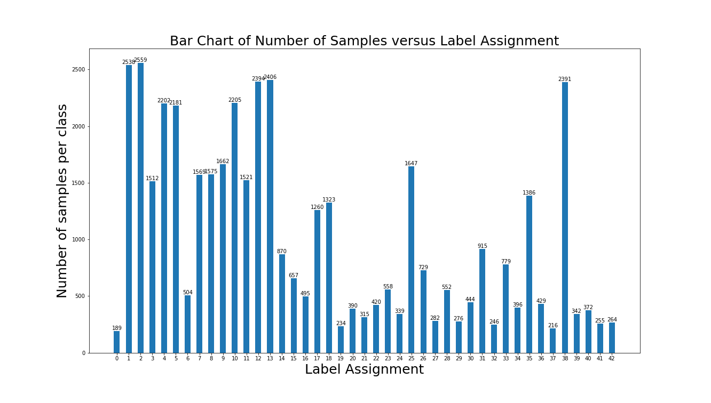
Initial DataSet |  | Bar Chart of Number of Samples versus Label Assignment | After Data Augmentation Number of Samples versus Label Assignment
No. Of Training Samples | 34799
No. Of Testing Samples | 12630
Shape of Image | (32, 32, 3)
No. of classes | 43

 | Post Data Split into Training and validation

NN_Architecture

EPOCH 1 ... | Validation Accuracy = 0.545 | Validation Loss = 1.500 | Training Accuracy = 0.558 | Training Loss = 1.462
EPOCH 2 ... | Validation Accuracy = 0.760 | Validation Loss = 0.785 | Training Accuracy = 0.783 | Training Loss = 0.708
EPOCH 3 ... | Validation Accuracy = 0.851 | Validation Loss = 0.506 | Training Accuracy = 0.881 | Training Loss = 0.406
EPOCH 4 ... | Validation Accuracy = 0.893 | Validation Loss = 0.383 | Training Accuracy = 0.923 | Training Loss = 0.275
EPOCH 5 ... | Validation Accuracy = 0.903 | Validation Loss = 0.352 | Training Accuracy = 0.938 | Training Loss = 0.220
EPOCH 6 ... | Validation Accuracy = 0.924 | Validation Loss = 0.276 | Training Accuracy = 0.963 | Training Loss = 0.146
EPOCH 7 ... | Validation Accuracy = 0.931 | Validation Loss = 0.258 | Training Accuracy = 0.972 | Training Loss = 0.116
EPOCH 8 ... | Validation Accuracy = 0.938 | Validation Loss = 0.238 | Training Accuracy = 0.976 | Training Loss = 0.100
EPOCH 9 ... | Validation Accuracy = 0.939 | Validation Loss = 0.228 | Training Accuracy = 0.978 | Training Loss = 0.094
EPOCH 10 ... | Validation Accuracy = 0.940 | Validation Loss = 0.233 | Training Accuracy = 0.980 | Training Loss = 0.080
EPOCH 11 ... | Validation Accuracy = 0.950 | Validation Loss = 0.198 | Training Accuracy = 0.988 | Training Loss = 0.062
EPOCH 12 ... | Validation Accuracy = 0.951 | Validation Loss = 0.190 | Training Accuracy = 0.989 | Training Loss = 0.057
EPOCH 13 ... | Validation Accuracy = 0.949 | Validation Loss = 0.201 | Training Accuracy = 0.987 | Training Loss = 0.060
EPOCH 14 ... | Validation Accuracy = 0.946 | Validation Loss = 0.217 | Training Accuracy = 0.987 | Training Loss = 0.059
EPOCH 15 ... | Validation Accuracy = 0.953 | Validation Loss = 0.189 | Training Accuracy = 0.991 | Training Loss = 0.051
EPOCH 16 ... | Validation Accuracy = 0.940 | Validation Loss = 0.244 | Training Accuracy = 0.981 | Training Loss = 0.090
EPOCH 17 ... | Validation Accuracy = 0.955 | Validation Loss = 0.196 | Training Accuracy = 0.992 | Training Loss = 0.045
EPOCH 18 ... | Validation Accuracy = 0.953 | Validation Loss = 0.207 | Training Accuracy = 0.992 | Training Loss = 0.049
EPOCH 19 ... | Validation Accuracy = 0.955 | Validation Loss = 0.200 | Training Accuracy = 0.992 | Training Loss = 0.051
EPOCH 20 ... | Validation Accuracy = 0.957 | Validation Loss = 0.190 | Training Accuracy = 0.994 | Training Loss = 0.045
EPOCH 21 ... | Validation Accuracy = 0.961 | Validation Loss = 0.192 | Training Accuracy = 0.994 | Training Loss = 0.039
EPOCH 22 ... | Validation Accuracy = 0.958 | Validation Loss = 0.192 | Training Accuracy = 0.995 | Training Loss = 0.041
EPOCH 23 ... | Validation Accuracy = 0.949 | Validation Loss = 0.213 | Training Accuracy = 0.992 | Training Loss = 0.049
EPOCH 24 ... | Validation Accuracy = 0.959 | Validation Loss = 0.197 | Training Accuracy = 0.995 | Training Loss = 0.041
EPOCH 25 ... | Validation Accuracy = 0.958 | Validation Loss = 0.201 | Training Accuracy = 0.994 | Training Loss = 0.043
EPOCH 26 ... | Validation Accuracy = 0.957 | Validation Loss = 0.198 | Training Accuracy = 0.994 | Training Loss = 0.046
EPOCH 27 ... | Validation Accuracy = 0.955 | Validation Loss = 0.210 | Training Accuracy = 0.995 | Training Loss = 0.041
EPOCH 28 ... | Validation Accuracy = 0.949 | Validation Loss = 0.240 | Training Accuracy = 0.990 | Training Loss = 0.053
EPOCH 29 ... | Validation Accuracy = 0.960 | Validation Loss = 0.185 | Training Accuracy = 0.997 | Training Loss = 0.034
EPOCH 30 ... | Validation Accuracy = 0.956 | Validation Loss = 0.223 | Training Accuracy = 0.995 | Training Loss = 0.040
EPOCH 31 ... | Validation Accuracy = 0.950 | Validation Loss = 0.246 | Training Accuracy = 0.993 | Training Loss = 0.050
EPOCH 32 ... | Validation Accuracy = 0.962 | Validation Loss = 0.186 | Training Accuracy = 0.998 | Training Loss = 0.034
EPOCH 33 ... | Validation Accuracy = 0.955 | Validation Loss = 0.219 | Training Accuracy = 0.996 | Training Loss = 0.041
EPOCH 34 ... | Validation Accuracy = 0.962 | Validation Loss = 0.200 | Training Accuracy = 0.998 | Training Loss = 0.033
EPOCH 35 ... | Validation Accuracy = 0.961 | Validation Loss = 0.199 | Training Accuracy = 0.996 | Training Loss = 0.040
EPOCH 36 ... | Validation Accuracy = 0.963 | Validation Loss = 0.201 | Training Accuracy = 0.997 | Training Loss = 0.036
EPOCH 37 ... | Validation Accuracy = 0.962 | Validation Loss = 0.199 | Training Accuracy = 0.998 | Training Loss = 0.035
EPOCH 38 ... | Validation Accuracy = 0.964 | Validation Loss = 0.188 | Training Accuracy = 0.998 | Training Loss = 0.035
EPOCH 39 ... | Validation Accuracy = 0.961 | Validation Loss = 0.193 | Training Accuracy = 0.997 | Training Loss = 0.036
EPOCH 40 ... | Validation Accuracy = 0.957 | Validation Loss = 0.223 | Training Accuracy = 0.994 | Training Loss = 0.045
EPOCH 41 ... | Validation Accuracy = 0.963 | Validation Loss = 0.185 | Training Accuracy = 0.997 | Training Loss = 0.036
EPOCH 42 ... | Validation Accuracy = 0.959 | Validation Loss = 0.212 | Training Accuracy = 0.995 | Training Loss = 0.042
EPOCH 43 ... | Validation Accuracy = 0.954 | Validation Loss = 0.226 | Training Accuracy = 0.992 | Training Loss = 0.057
EPOCH 44 ... | Validation Accuracy = 0.961 | Validation Loss = 0.223 | Training Accuracy = 0.997 | Training Loss = 0.038
EPOCH 45 ... | Validation Accuracy = 0.960 | Validation Loss = 0.208 | Training Accuracy = 0.997 | Training Loss = 0.041
EPOCH 46 ... | Validation Accuracy = 0.960 | Validation Loss = 0.217 | Training Accuracy = 0.994 | Training Loss = 0.046
EPOCH 47 ... | Validation Accuracy = 0.961 | Validation Loss = 0.197 | Training Accuracy = 0.997 | Training Loss = 0.039
EPOCH 48 ... | Validation Accuracy = 0.963 | Validation Loss = 0.201 | Training Accuracy = 0.998 | Training Loss = 0.036
EPOCH 49 ... | Validation Accuracy = 0.964 | Validation Loss = 0.205 | Training Accuracy = 0.998 | Training Loss = 0.038
EPOCH 50 ... | Validation Accuracy = 0.960 | Validation Loss = 0.214 | Training Accuracy = 0.996 | Training Loss = 0.043
EPOCH 51 ... | Validation Accuracy = 0.964 | Validation Loss = 0.202 | Training Accuracy = 0.998 | Training Loss = 0.037
EPOCH 52 ... | Validation Accuracy = 0.966 | Validation Loss = 0.193 | Training Accuracy = 0.998 | Training Loss = 0.038
EPOCH 53 ... | Validation Accuracy = 0.961 | Validation Loss = 0.224 | Training Accuracy = 0.996 | Training Loss = 0.044
EPOCH 54 ... | Validation Accuracy = 0.968 | Validation Loss = 0.207 | Training Accuracy = 0.999 | Training Loss = 0.036
EPOCH 55 ... | Validation Accuracy = 0.961 | Validation Loss = 0.223 | Training Accuracy = 0.996 | Training Loss = 0.045
EPOCH 56 ... | Validation Accuracy = 0.968 | Validation Loss = 0.196 | Training Accuracy = 0.999 | Training Loss = 0.035
EPOCH 57 ... | Validation Accuracy = 0.964 | Validation Loss = 0.208 | Training Accuracy = 0.997 | Training Loss = 0.041
EPOCH 58 ... | Validation Accuracy = 0.964 | Validation Loss = 0.207 | Training Accuracy = 0.998 | Training Loss = 0.038
EPOCH 59 ... | Validation Accuracy = 0.964 | Validation Loss = 0.232 | Training Accuracy = 0.996 | Training Loss = 0.044
EPOCH 60 ... | Validation Accuracy = 0.964 | Validation Loss = 0.206 | Training Accuracy = 0.998 | Training Loss = 0.038
EPOCH 61 ... | Validation Accuracy = 0.966 | Validation Loss = 0.212 | Training Accuracy = 0.998 | Training Loss = 0.040
EPOCH 62 ... | Validation Accuracy = 0.961 | Validation Loss = 0.231 | Training Accuracy = 0.998 | Training Loss = 0.041
EPOCH 63 ... | Validation Accuracy = 0.963 | Validation Loss = 0.232 | Training Accuracy = 0.998 | Training Loss = 0.039
EPOCH 64 ... | Validation Accuracy = 0.968 | Validation Loss = 0.210 | Training Accuracy = 0.999 | Training Loss = 0.036
EPOCH 65 ... | Validation Accuracy = 0.970 | Validation Loss = 0.199 | Training Accuracy = 0.999 | Training Loss = 0.037
EPOCH 66 ... | Validation Accuracy = 0.966 | Validation Loss = 0.218 | Training Accuracy = 0.998 | Training Loss = 0.041
EPOCH 67 ... | Validation Accuracy = 0.963 | Validation Loss = 0.222 | Training Accuracy = 0.998 | Training Loss = 0.042
EPOCH 68 ... | Validation Accuracy = 0.965 | Validation Loss = 0.226 | Training Accuracy = 0.999 | Training Loss = 0.039
EPOCH 69 ... | Validation Accuracy = 0.970 | Validation Loss = 0.204 | Training Accuracy = 1.000 | Training Loss = 0.037
EPOCH 70 ... | Validation Accuracy = 0.966 | Validation Loss = 0.216 | Training Accuracy = 0.999 | Training Loss = 0.039
EPOCH 71 ... | Validation Accuracy = 0.957 | Validation Loss = 0.250 | Training Accuracy = 0.994 | Training Loss = 0.054
EPOCH 72 ... | Validation Accuracy = 0.965 | Validation Loss = 0.216 | Training Accuracy = 0.997 | Training Loss = 0.048
EPOCH 73 ... | Validation Accuracy = 0.967 | Validation Loss = 0.206 | Training Accuracy = 0.999 | Training Loss = 0.041
EPOCH 74 ... | Validation Accuracy = 0.964 | Validation Loss = 0.220 | Training Accuracy = 0.998 | Training Loss = 0.044
EPOCH 75 ... | Validation Accuracy = 0.967 | Validation Loss = 0.205 | Training Accuracy = 0.999 | Training Loss = 0.041
EPOCH 76 ... | Validation Accuracy = 0.965 | Validation Loss = 0.203 | Training Accuracy = 0.997 | Training Loss = 0.045
EPOCH 77 ... | Validation Accuracy = 0.966 | Validation Loss = 0.236 | Training Accuracy = 0.998 | Training Loss = 0.044
EPOCH 78 ... | Validation Accuracy = 0.960 | Validation Loss = 0.247 | Training Accuracy = 0.997 | Training Loss = 0.046
EPOCH 79 ... | Validation Accuracy = 0.961 | Validation Loss = 0.230 | Training Accuracy = 0.997 | Training Loss = 0.047
EPOCH 80 ... | Validation Accuracy = 0.968 | Validation Loss = 0.202 | Training Accuracy = 0.999 | Training Loss = 0.040
EPOCH 81 ... | Validation Accuracy = 0.966 | Validation Loss = 0.217 | Training Accuracy = 0.999 | Training Loss = 0.043
EPOCH 82 ... | Validation Accuracy = 0.970 | Validation Loss = 0.198 | Training Accuracy = 0.999 | Training Loss = 0.040
EPOCH 83 ... | Validation Accuracy = 0.966 | Validation Loss = 0.220 | Training Accuracy = 0.998 | Training Loss = 0.043
EPOCH 84 ... | Validation Accuracy = 0.967 | Validation Loss = 0.204 | Training Accuracy = 0.998 | Training Loss = 0.043
EPOCH 85 ... | Validation Accuracy = 0.970 | Validation Loss = 0.198 | Training Accuracy = 0.998 | Training Loss = 0.042
EPOCH 86 ... | Validation Accuracy = 0.968 | Validation Loss = 0.211 | Training Accuracy = 0.999 | Training Loss = 0.042
EPOCH 87 ... | Validation Accuracy = 0.954 | Validation Loss = 0.259 | Training Accuracy = 0.993 | Training Loss = 0.064
EPOCH 88 ... | Validation Accuracy = 0.966 | Validation Loss = 0.204 | Training Accuracy = 0.998 | Training Loss = 0.044
EPOCH 89 ... | Validation Accuracy = 0.968 | Validation Loss = 0.221 | Training Accuracy = 0.999 | Training Loss = 0.043
EPOCH 90 ... | Validation Accuracy = 0.962 | Validation Loss = 0.232 | Training Accuracy = 0.998 | Training Loss = 0.046
EPOCH 91 ... | Validation Accuracy = 0.962 | Validation Loss = 0.258 | Training Accuracy = 0.999 | Training Loss = 0.044
EPOCH 92 ... | Validation Accuracy = 0.964 | Validation Loss = 0.234 | Training Accuracy = 0.997 | Training Loss = 0.048
EPOCH 93 ... | Validation Accuracy = 0.967 | Validation Loss = 0.203 | Training Accuracy = 0.999 | Training Loss = 0.043
EPOCH 94 ... | Validation Accuracy = 0.966 | Validation Loss = 0.225 | Training Accuracy = 0.998 | Training Loss = 0.048
EPOCH 95 ... | Validation Accuracy = 0.968 | Validation Loss = 0.224 | Training Accuracy = 0.999 | Training Loss = 0.043
EPOCH 96 ... | Validation Accuracy = 0.965 | Validation Loss = 0.245 | Training Accuracy = 0.999 | Training Loss = 0.045
EPOCH 97 ... | Validation Accuracy = 0.967 | Validation Loss = 0.227 | Training Accuracy = 0.999 | Training Loss = 0.044
EPOCH 98 ... | Validation Accuracy = 0.952 | Validation Loss = 0.298 | Training Accuracy = 0.992 | Training Loss = 0.067
EPOCH 99 ... | Validation Accuracy = 0.966 | Validation Loss = 0.236 | Training Accuracy = 0.999 | Training Loss = 0.045
EPOCH 100 ... | Validation Accuracy = 0.971 | Validation Loss = 0.212 | Training Accuracy = 0.999 | Training Loss = 0.042

